Solution 1
Step 1: Establish Null and Alternative Hypothesis

Null Hypothesis : Nation's Autism level is 5%
Alternative Hypothesis : Nation's Autism Level is greater than 5%

Step 2: Determine the appropriate statistical test

The statistical test to be used in : proportion test

Step 3: Set the value of alpha or Type-I error

alpha=5% = 0.05

Step 4: Decision Rule

This test is a one-tailed test, and the table value is The sample results must yield an observed z value greater than 1.645 for the census data to reject the null hypothesis. The following diagram shows z.05 and the rejection region for this problem.

Step 5: Gather Sample Data

n= 384
x=46

Step 6: Analyze the data
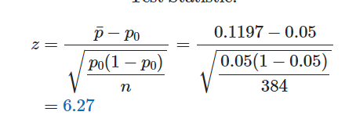
z calculated comes out to be 6.27

Step 7: Reach a statistical conclusion

Since z calculated is more than z critical value of 1.645, we reject the null hypothesis. The probability of obtaining a z=6.27 is 0.000. because of this probability is less than the alpha vale here also we reject the null hypothesis.
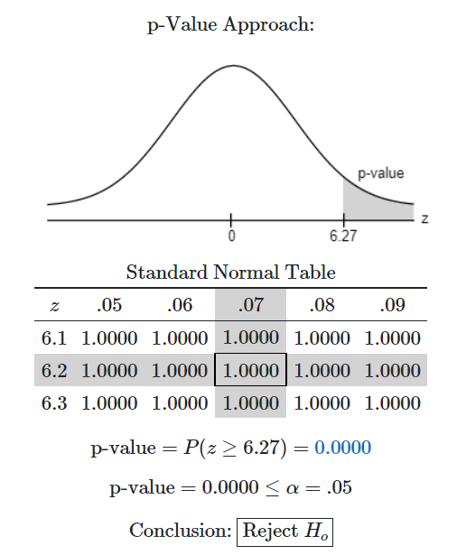
Step 8: Business Implications

With the hypothesis testing it can be stated that the increase in certain chemicals in environment it has lead to increase in autism
Government should take appropriate actions to stop the use of the chemicals which has shown increase in autism

Solution 2
Step 1: Establish Null and Alternative Hypothesis

Null Hypothesis : less than 20% of the entire fleet might be out of compliance
Alternative Hypothesis : more than 20% of the entire fleet might be out of compliance

Step 2: Determine the appropriate statistical test
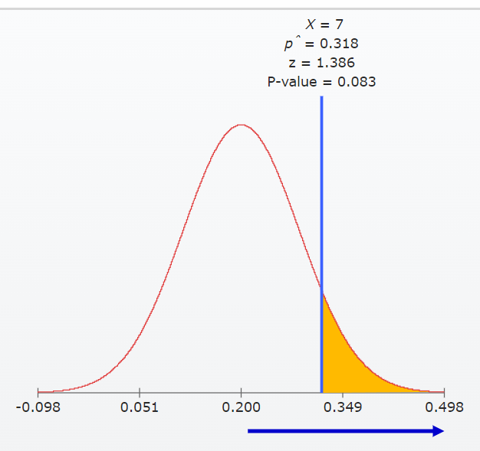
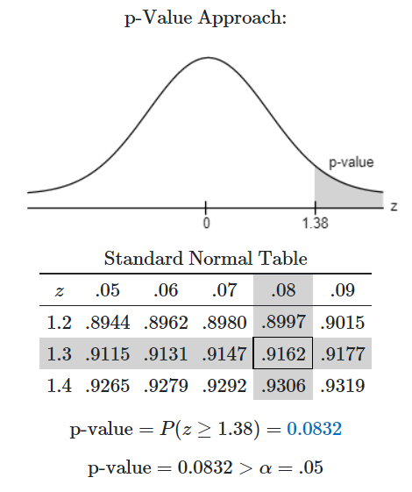
alpha=0.05
The statistical test to be used in : proportion test

Step 3: Set the value of alpha or Type-I error

alpha=10 %, 5%, 1%

Step 4: Decision Rule

This test is a one-tailed test, and the table value is The sample results must yield an observed z value greater than 1.28 for alpha 10 %, z value more than 1.645 for alpha value 5% and z value 2.33 for alpha value 1% for data to reject the null hypothesis. | 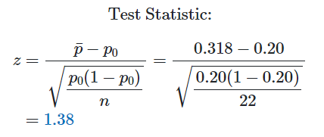

Step 5: Gather Sample Data
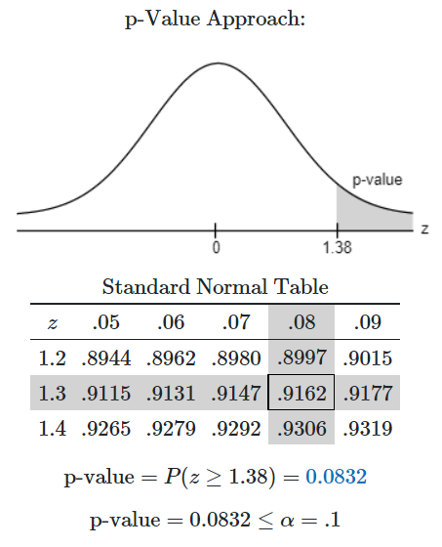
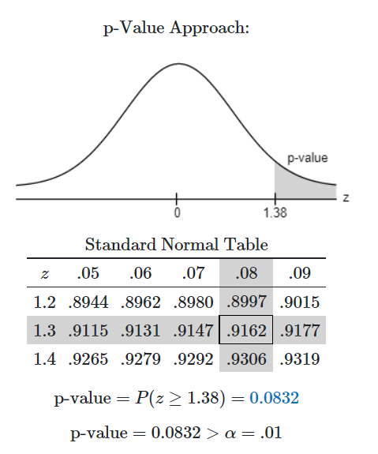
alpha=.10
alpha=.01
n= 22
x=7

Step 6: Analyze the data

p-value is greater than alpha value 0.01 then we fail to reject null hypothesis

z calculated comes out to be 1.386 for alpha 0.05 and z crfitical is 1.64 and since z score is less than z critical for alpha 0.05 we fail to reject null hypothesis

z critical for alpha 0.10 is 1.28 and since z score of 1.386 is greater than z critical we reject Null hypothesis. P-value is 0.0832 which is less than .10 here also we reject the Null hypothesis

Step 7: Reach a statistical conclusion

z score is 1.38
for alpha = 0.10 z critical comes out to be 1.28 and since z score 1.38 is greater than z critical we reject the null hypothesis

for alpha = 0.05 z critical comes out to be 1.64 and since z score is 1.38 is less than z critical we Fail to reject Null hypothesis

for alpha = 0.01 z critical comes out to be 2.33 and since z score is 1.38 is less than z critical we Fail to reject Null hypothesis

only for aplha value 10% we have evidence to reject the null hypothesis stating that more than 20% of enitre fleet of cars is out of compliance otherwise for alpha levels 1% and 5% we can say that less than 20% of entire fleet is out of compliance

Step 8: Business Implications

With alpha level 1% and 5% we can say that cars testes meet the pollution guidelines leaving only 20% of cars otherwise for alpha level 10% more than 20% of cars do not meet the pollution guidelines

Solution 3
Step 1: Establish Null and Alternative Hypothesis

Null Hypothesis : The fraction of adult who had never smoked is 44%
Alternative Hypothesis : The fraction of adult who had never smoked is gtreater than 44%

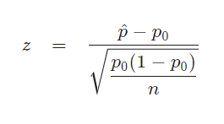
Step 2: Determine the appropriate statistical test

The statistical test to be used in : proportion test

Step 3: Set the value of alpha or Type-I error

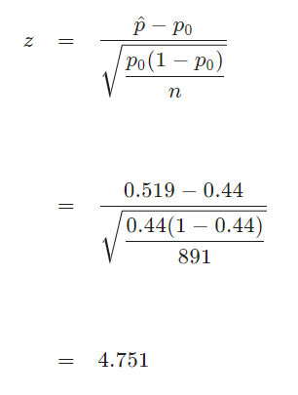
Confidence level = 98%
alpha=2%
Step 4: Decision Rule

This test is a one-tailed test, and based upon the alpha value z critical is 2.05 . The rejection region for this is right tailed therefore z calculated greater than 2.054 helps to reject the Null hypothesis

Step 5: Gather Sample Data

n= 891
x=463

Step 6: Analyze the data

Since it is observed that z = 4.751 > z_c = 2.054z=4.751>zc​=2.054, it is then concluded that the null hypothesis is rejected.
Using the P-value approach: The p-value is p = 0p=0, and since p = 0 < 0.02p=0<0.02, it is concluded that the null hypothesis is rejected.

Step 7: Reach a statistical conclusion

Since it is observed that z = 4.751 > z_c = 2.054z=4.751>zc​=2.054, it is then concluded that the null hypothesis is rejected.
Using the P-value approach: The p-value is p = 0p=0, and since p = 0 < 0.02p=0<0.02, it is concluded that the null hypothesis is rejected.

Step 8: Business Implications

With this we can conclude that the proportion of population who had never smoked has increased over time

Solution 5
a) No, the necessary condition for calculating the t -interval is not satisfied as population mean is not available also the sample size is greater than 30 so it does not qualify for t-test.

Step 1: Establish Null and Alternative Hypothesis

Null Hypothesis : The mean body temperature is 98.6 degree
Alternative Hypothesis : The mean temperature is not equal to 98.6 degree

Step 2: Determine the appropriate statistical test

The statistical test to be used in : Z -test

Step 3: Set the value of alpha or Type-I error
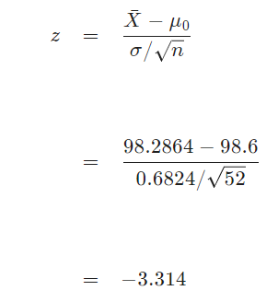
Confidence level = 98%
alpha=2%
Step 4: Decision Rule

This test is a two-tailed test, and based upon the alpha value z critical is +-2.326 . The rejection region for this two tailed therefore z calculated greater than 2.326 and less than -2.326 helps to reject the Null hypothesis

Step 5: Gather Sample Data

n= 52
sample mean= 98.2846
standard deviation = 0.6824

Step 6: Analyze the data

z score is -3.314
z critical comes out to be +-2.326 so if the mode value of z score is greater than z critical then we will reject the null hypothesis.
At alpha level =0.02 the z score is greater than z critical so we will reject the Null hypothesis and aceept the alternate hypothesis

Step 7: Reach a statistical conclusion

Since it is observed that |z| = 3.314 > z_c = 2.326∣z∣=3.314>zc​=2.326, it is then concluded that the null hypothesis is rejected.
Using the P-value approach: The p-value is p = 0.0009p=0.0009, and since p = 0.0009 < 0.02p=0.0009<0.02, it is concluded that the null hypothesis is rejected.

It is concluded that the null hypothesis Ho is rejected. Therefore, there is enough evidence to claim that the population mean \muμ is different than 98.6, at the \alpha = 0.02α=0.02 significance level.

Problem 6
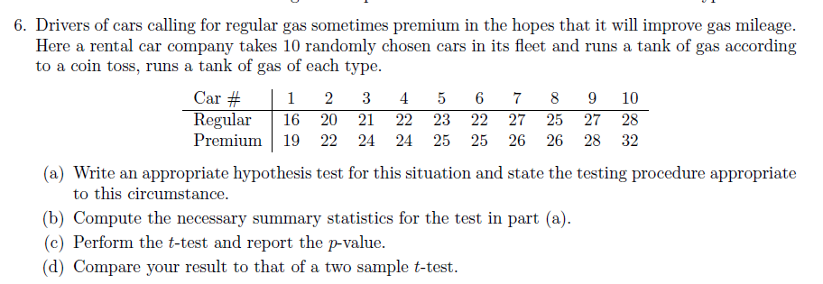

Column1 | Regular | Premium | Regular | Premium
1 | 16 | 19 | 16 | 19
2 | 20 | 22 | 20 | 22 | Regular |  | Premium
3 | 21 | 24 | 21 | 24
4 | 22 | 24 | 22 | 24 | Mean | 23.1 | Mean | 25.1
5 | 23 | 25 | 23 | 25 | Standard Error | 1.1780398031 | Standard Error | 1.0898521816
6 | 22 | 25 | 22 | 25 | Median | 22.5 | Median | 25
7 | 27 | 26 | 27 | 26 | Mode | 22 | Mode | 24
8 | 25 | 26 | 25 | 26 | Standard Deviation | 3.7252889523 | Standard Deviation | 3.4464152068
9 | 27 | 28 | 27 | 28 | Sample Variance | 13.877777778 | Sample Variance | 11.877777778
10 | 28 | 32 | 28 | 32 | Kurtosis | -0.13711804397 | Kurtosis | 1.5681344193
 |  |  |  |  | Skewness | -0.42038426075 | Skewness | 0.32204935928
 |  |  |  |  | Range | 12 | Range | 13
 |  |  |  |  | Minimum | 16 | Minimum | 19
 |  |  |  |  | Maximum | 28 | Maximum | 32
 |  |  |  |  | Sum | 231 | Sum | 251
 |  |  |  |  | Count | 10 | Count | 10

Solution 6
Step 1: Establish Null and Alternative Hypothesis

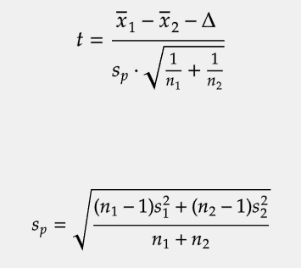
Null Hypothesis : Car mileage with regular gas is equal to car mileage with premium gas
Alternative Hypothesis : Car mileage with regular gas is not equal to car mileage with premium gas

Step 2: Determine the appropriate statistical test

The statistical test to be used in : t- test for two sample

Step 3: Set the value of alpha or Type-I error

alpha=5%=0.05

Step 4: Decision Rule

This test is a two-tailed test, and based upon the alpha value t critical is +-2.101 . The rejection region for this two tailed therefore t calculated greater than 2.101 and less than -2.101 helps to reject the Null hypothesis

Step 5: Gather Sample Data
Regular |  | Premium

Mean | 23.1 | Mean | 25.1
Standard Error | 1.1780398031 | Standard Error | 1.0898521816
Median | 22.5 | Median | 25
Mode | 22 | Mode | 24
Standard Deviation | 3.7252889523 | Standard Deviation | 3.4464152068
Sample Variance | 13.877777778 | Sample Variance | 11.877777778
Kurtosis | -0.13711804397 | Kurtosis | 1.5681344193
Skewness | -0.42038426075 | Skewness | 0.32204935928
Range | 12 | Range | 13
Minimum | 16 | Minimum | 19
Maximum | 28 | Maximum | 32
Sum | 231 | Sum | 251
Count | 10 | Count | 10

n=10

Step 6: Analyze the data

t score is -1.2462
t critical comes out to be 2.101 and since t score is less than t critical inn this case we Fail to reject the Null Hypothesis

Step 7: Reach a statistical conclusion

with this we can say that at alpha level 0.05 both the gasregular and premium shows equal gas mileage in the cars fleet

Problem 7
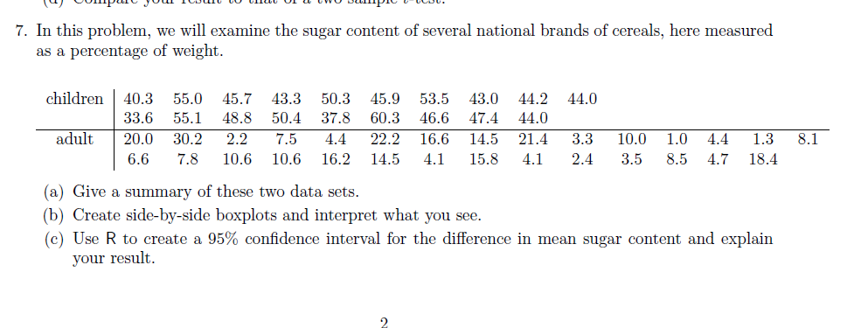

Children | Adult | Children |  | Adult
40.3 | 20
33.6 | 6.6 | Mean | 46.8 | Mean | 9.9642857143
55 | 30.2 | Standard Error | 1.4724765311 | Standard Error | 1.4247269699
55.1 | 7.8 | Median | 45.9 | Median | 7.95
45.7 | 2.2 | Mode | 44 | Mode | 10.6
48.8 | 10.6 | Standard Deviation | 6.4183763956 | Standard Deviation | 7.5389464971
43.3 | 7.5 | Sample Variance | 41.195555556 | Sample Variance | 56.835714286
50.4 | 10.6 | Kurtosis | 0.27118091438 | Kurtosis | 0.31069472243
50.3 | 4.4 | Skewness | 0.12144365712 | Skewness | 0.95287488771
37.8 | 16.6 | Range | 26.7 | Range | 29.2
45.9 | 4.1 | Minimum | 33.6 | Minimum | 1
60.3 | 14.5 | Maximum | 60.3 | Maximum | 30.2
53.5 | 15.8 | Sum | 889.2 | Sum | 279
46.6 | 21.4 | Count | 19 | Count | 28
43 | 4.1
47.4 | 3.3
44.2 | 2.4
44 | 10
44 | 3.5 | t-Test: Two-Sample Assuming Unequal Variances
 | 1
 | 8.5 |  | Children | Adult
 | 4.4 | Mean | 46.8 | 9.9642857143
 | 4.7 | Variance | 41.195555556 | 56.835714286
 | 1.3 | Observations | 19 | 28
 | 18.4 | Hypothesized Mean Difference | 0
 | 8.1 | df | 43
 | 22.5 | t Stat | 17.978196219
 | 14.5 | P(T<=t) one-tail | 6.4081043993E-22
 |  | t Critical one-tail | 1.6810707032
 |  | P(T<=t) two-tail | 1.2816208799E-21
 |  | t Critical two-tail | 2.0166921992

Solution 7
Step 1: Establish Null and Alternative Hypothesis

Null Hypothesis : Average Sugar in adults cereals is equal to sugar in children cereals
Alternative Hypothesis : Average sugar in adults cereals is not equal to average sugar in children cereals

Step 2: Determine the appropriate statistical test

The statistical test to be used in : t- test for two sample
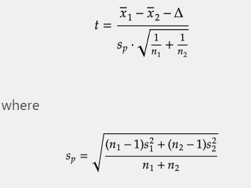
Step 3: Set the value of alpha or Type-I error

alpha=5%=0.05

Step 4: Decision Rule

This test is a two-tailed test, and based upon the alpha value t critical is 2.01 . The rejection region for this two tailed therefore t calculated greater than 2.01 and less than -2.01 helps to reject the Null hypothesis

Step 5: Gather Sample Data
Regular
Children |  | Adult

Mean | 46.8 | Mean | 9.2923076923
Standard Error | 1.4724765311 | Standard Error | 1.4357836035
Median | 45.9 | Median | 7.65
Mode | 44 | Mode | 10.6
Standard Deviation | 6.4183763956 | Standard Deviation | 7.3210886118
Sample Variance | 41.195555556 | Sample Variance | 53.598338462
Kurtosis | 0.27118091438 | Kurtosis | 1.1458811706
Skewness | 0.12144365712 | Skewness | 1.1962668276
Range | 26.7 | Range | 29.2
Minimum | 33.6 | Minimum | 1
Maximum | 60.3 | Maximum | 30.2
Sum | 889.2 | Sum | 241.6
Count | 19 | Count | 26

Step 6: Analyze the data

t-Test: Two-Sample Assuming Unequal Variances

 | Children | Adult
Mean | 46.8 | 9.2923076923
Variance | 41.195555556 | 53.598338462
Observations | 19 | 26
Hypothesized Mean Difference | 0
df | 41
t Stat | 18.237593388
P(T<=t) one-tail | 1.3911362509E-21
t Critical one-tail | 1.6828780021
P(T<=t) two-tail | 2.7822725018E-21
t Critical two-tail | 2.0195409704

Step 7: Reach a statistical conclusion
t score is greater than t critical so we Reject the Null Hypothesis and accept the alternative hypothesis
with this we can state that the average sugar in adults cereals is not equal to average sugar in children cereals

